Completion Guidance
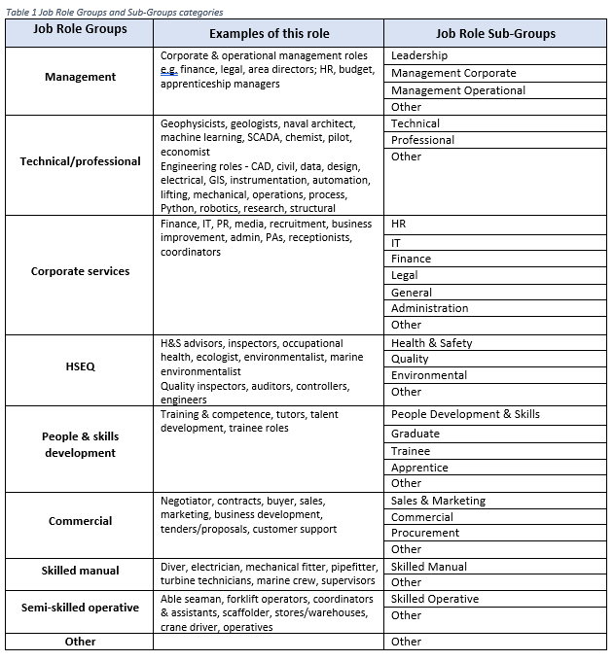
Offshore Wind Sector Deal People & Skills Survey 2021

Data Template Completion Guidance
This survey seeks to capture data on all people employed directly or indirectly in the offshore wind industry i.e. employment in industries that supply and support the core activities of offshore wind renewable energy deployment. This includes, for example, production of steel, plastics, or other materials, or intermediate inputs along the value chain or provision financial and other services.
Please complete the following Data Template Sheet with data on your own workforce in all available fields, or as many of these which you are able.
Please refer to the below guidance on completing this data should you need to.
Company Contact Details: Please provide the contact details of the person/department completing the survey data.
Date of Data Completion: Please add the data on which the data was compiled.
Organisation Name: The employing organisation’s legal name.
Job Title: The employee’s contractual job title.
Job Role Group and Sub-Group: To support valuable data analysis, each Job Title should be associated with to one of a selection of consistent ‘Job Role Groups’ and subsequently ‘Job Role Sub-Groups’. Based on industry feedback, a selection of predefined Role Groups and Sub-Groups have been pre-defined as indicated in the table below. Please select the Job Role Group and Sub-Group from the dropdown menu that best fits the employee Job Title, or select option ‘Other’ if none of the pre-defined categories fit this role.
Workplace Postcode: The site postcode from which the employee currently works. Please provide the first 3- or 4-digits to indicate the postcode town e.g. XX1 or XX01. Not applicable if outside the UK.
Age: The employee’s age within 5-year ranges, from 15 to 100 years, selected form the dropdown menu.
Gender identity: The industry is keen to be become more inclusive and so the survey includes gender identity rather than the binary sex categorisation. The employee’s gender identity categories used are those recognised by the Royal College of General Practitioners and used in the 2021 census in England and Wales. If available, please select from the dropdown menu.
Nationality: If available, please provide the nationality of employee (as shown on the employee’s passport).
Ethnicity:
If available, please select the ethnicity of the employee from the dropdown menu. The categories used are as follows
Mixed or Multiple ethnic groups – Including White and Black Caribbean, White and Black African, White and Asian, Any other Mixed or Multiple ethnic background
Asian or Asian British – including Indian, Pakistani, Bangladeshi, Chinese, Any other Asian background
Black, African, Caribbean, or Black British – including African, Caribbean, Any other Black, African, or Caribbean background
White – Including English, Welsh, Scottish, Northern Irish or British, Irish, Gypsy or Irish Traveller, Any other White background
Any other ethnic group
Work Phase: Please provide the supply chain phase in which each employee works during most of their role from pre-construction through to decommissioning, selecting from the dropdown list.
Project Type: Please provide the project type in which each employee works during most of their role, selecting from the dropdown list indicating whether they work predominantly in Onshore wind, Offshore wind - fixed bottom, Offshore wind - floating, All offshore wind, or All wind.
Employment Status: Please provide the employment status or each employee or contractor, selecting from the dropdown list.
Development role: For employees currently working in a development role, where applicable please select form the dropdown list if they are an Apprentice, undertaking T-levels, employed through a graduate programme, or on intern or other trainee. This is to give a better understanding of the key entry routes into the industry.
Full or Part time: Please not if the role ids full time or part time.
Home location postcode: Please provide the standard UK postcode where the employee lives in a 3- or 4-digit format e.g. XX1 or XX01. Not applicable if outside the UK. This category is included as a significant proportion of the sector is mobile (estimated 60%) and/or work in the marine sector. It will also help build an understanding of what proportion of the local population are benefiting from employment.

Main Input Sheet
Offshore Wind Sector Deal People & Skills Survey 2021

Name of Company

Email Address

Contact Number

Date of Completion

Organisation | Job Title | Job Role Group | Role Sub-Group | Workplace Postcode | Age | Gender Identity | Nationality | Ethnicity | Work Phase | Project Type | Employment Status | Full/Part Time | Development Status | Home Location Postcode

